Sheet1
Bug Report

Bug ID | Bug reporter Name | Bug Severity | Environment tested | Bug Description | Steps to Replicate | Screenshots | Review
1 | Saranga | High | QA | Once user successfully login to the system user is still in the Registration page. | 1. Enter Login and password 2.Then Click on Login button 3. Observe the Page URL and the user landing page once successfully logged
1 | Saranga | High |  | User unable to vote for Sport car | 1. Enter Login and password 2.Then Click on Login button 3. successfully logged in to the website 4. expected to see sport cars page to Vote
1 | Saranga | High | QA | User log out from the page does not redirected into home page | 1. Enter Login and password 2.Then Click on Login button 3. Successfully loged in 4.Then user able to see the Log out button 5.Click on Log out button 6. expecting to landing home page
1 | Saranga | High | QA | Once user logged out user able to access his data to modify if he clicks profile before logout | 1. Enter Login and password 2.Then Click on Login button 3. Successfully loged in 4.Then user able to see the Log out button 5.Click on Log out button 6. Observ the result and able to see that user still able to modify his/her account details | 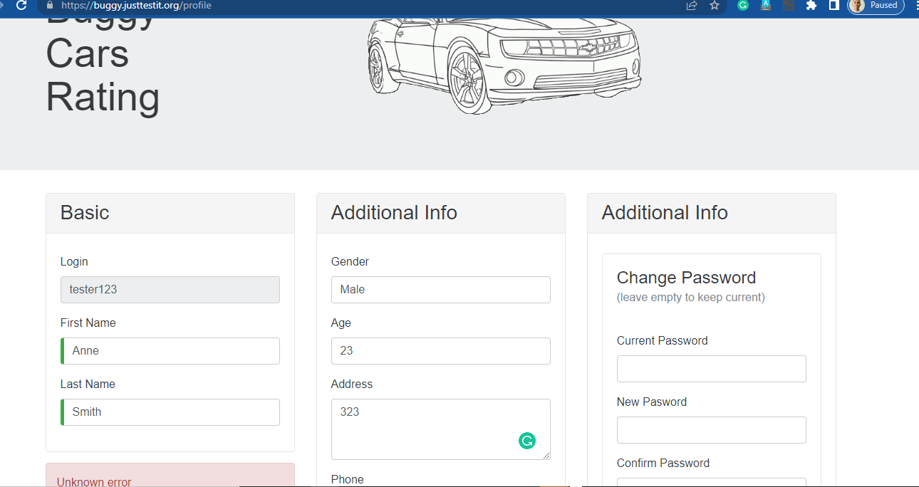
1 | Saranga | Low | QA | User registration unsuccess message is not display in proper way | 1. Click on Register button 2.Enter login as existing user 's login name(username) 3. Then enter other required fields 4. Click on Register button 5. Observe the displayed error
1 | Saranga | Low | QA | UI issues in Login controls as it's not displaying place holder text for the password | Check the Login controls to see the issue

